PHPP & SAP Targets Rev 9.9.20
 |  | Revised Figures using PHPP v9.6a variants |  |  |  |  |  |  |  |  |  |  | attention TM | attention TM | SAP under (negative) or over (positive) estimating SHD compared to PHPP |  |  |  |  |  | attention TM | SAP under (negative) or over (positive) estimating SHD compared to PHPP |  |  |  |  | attention TM
 |  | models with embodied CO2 see note 2 |  | P H P P (2020 calc) |  |  |  |  |  |  |  |  |  |  |  | SAP 2012 v9.92 - gas combi |  |  |  |  |  |  | SAP 2012 v9.92 - air source heat pump
 |  |  |  | Treated Floor Area (TFA, m2) | Vent. Type | Air changes | Average whole house temp. during heating Season | Peak heat load | Specific Space Heat Demand (SSHD) | Space Heat Demand | Gas used for space heating (delivered) | Reduction in gas for space heating energy (retrofit + gas boiler) | Space heating energy after (retrofit + ASHP) (delivered) | Reduction in delivered space heating energy (retrofit + ASHP) (delivered) |  | Floor Area (GIFA, m2) | Average whole house temp. during Heating Season | SAP rating and band | Space Heating Requirement (equiv. to PHPP SSHD) | Gas used for space heating ('Space Heating Fuel', from in Energy Requirements section i.e. 'Delivered Energy') | Reduction in gas for space heating energy from retrofit |  | Average whole house temp. during Heating Season | SAP rating and band (unofficial) | Space Heating Requirement (equiv. to PHPP SSHD) | Electricity used for space heating ('Space Heating Fuel', from in Energy Requirements section i.e. 'Delivered Energy') | Reduction in space heating energy | Contibution from PV (SW orientation, 45 degree pitch,no overshading, 40% of footprint area, 6.5m2/kWp)
form factor 4.0 | form factor 4.0 |  |  |  |  |  | degrees C | W/m2 | kWh/m2.a | kWh/yr | kWh/yr | % | kWh/yr | % |  |  | degrees C |  | kWh/m2.a | kWh/yr | % |  | degrees C |  | kWh/m2.a | kWh/yr | % | kWh/yr
Bungalow | Bungalow | Original House | Repair & maintenance only | 62.7 | poor | 8 | 17 |  | 167 | 10615 | 11,795 | 0 | 4718 | 0% |  | 67.32 | 17 | 54 E | 212 | 17,061 | 0 |  | 17 | 48 E | 208 | 5,614 | 0

 |  | Deep IWI retrofit | Cost prioritised retrofit |  | MEV | 3 | 20 |  | 94 | 5687 | 6,319 | 44% | 2528 | 46% |  |  | 20 | 76 C | 75 | 5,412 | 68% |  | 20 | 75 C | 72 | 1,951 | 65% | -3423

 |  |  | CO2 prioritised retrofit |  | MVHR | 1 | 20 |  | 69 | 4187 | 4,652 | 59% | 1861 | 61% |  |  | 20 | 81 B | 39 | 2,831 | 83% |  | 20 | 81 B | 36 | 979 | 83%

 |  | Deep EWI retrofit | Cost prioritised retrofit |  | MEV | 3 | 20 |  | 73 | 4640 | 5,156 | 56% | 2062 | 56% |  |  | 20 | 77 C | 73 | 5,213 | 69% |  | 20 | 75 C | 70 | 1,876 | 67%

 |  |  | CO2 prioritised retrofit |  | MVHR | 1 | 20 |  | 27 | 1722 | 1,914 | 84% | 766 | 84% |  |  | 20 | 82 B | 29 | 2,048 | 88% |  | 20 | 83 B | 26 | 693 | 88%

form factor 1.8 | form factor 1.8 |  |  |  |  |  | degrees C |  |  |  | kWh/yr | %
3 storey mid-terrace townhouse | 3 storey mid-terrace townhouse | Original House | Repair & maintenance only | 147.9 | poor | 10 | 17 |  | 110 | 16329 | 18,143 | 0 | 7257 | 0% |  | 164.88 | 17 | 69 C | 108 | 21,236 | 0 |  | 17 | 66 D | 101 | 6,695 | 0

 |  | Deep IWI retrofit | Cost prioritised retrofit |  | MEV | 3 | 20 |  | 92 | 13411 | 14,901 | 16% | 5960 | 18% |  |  | 20 | 78 C | 76 | 13,344 | 37% |  | 20 | 73 C | 75 | 4,919 | 27%

 |  |  | CO2 prioritised retrofit |  | MVHR | 1 | 20 |  | 66 | 9574 | 10,637 | 40% | 4255 | 41% |  |  | 20 | 83 B | 42 | 7,424 | 65% |  | 20 | 81 B | 40 | 2,659 | 60%

 |  | Deep EWI retrofit | Cost prioritised retrofit |  | MEV | 3 | 20 |  | 65 | 9651 | 10,723 | 41% | 4289 | 41% |  |  | 20 | 79 C | 70 | 12,271 | 42% |  | 20 | 75 C | 68 | 4,516 | 33%

 |  |  | CO2 prioritised retrofit |  | MVHR | 1 | 20 |  | 26 | 3826 | 4,251 | 77% | 1700 | 77% |  |  | 20 | 87 B | 22 | 3,891 | 82% |  | 20 | 86 B | 21 | 1,389 | 79%

form factor 2.8 | form factor 2.8 |  |  |  |  |  | degrees C |  |  |  | kWh/yr | %
2 storey semi-detached | 2 storey semi-detached | Original House | Repair & maintenance only | 76.1 | poor | 8 | 17 |  | 152 | 12076 | 13,418 | 0 | 5367 | 0% |  | 86.4 | 17 | 64 D | 136 | 14,105 | 0 |  | 19 | 54 E | 168 | 5,796 | 0

 |  | Deep IWI retrofit | Cost prioritised retrofit |  | MEV | 3 | 20 |  | 96 | 7372 | 8,192 | 36% | 3277 | 39% |  |  | 20 | 75 C | 83 | 7,636 | 46% |  | 20 | 72 C | 81 | 2,785 | 52%

 |  |  | CO2 prioritised retrofit |  | MVHR | 1 | 20 |  | 66 | 5021 | 5,579 | 57% | 2232 | 58% |  |  | 20 | 80 C | 46 | 4,248 | 70% |  | 20 | 80 C | 44 | 1,524 | 74%

 |  | Deep EWI retrofit | Cost prioritised retrofit |  | MEV | 3 | 20 |  | 78 | 6169 | 6,854 | 49% | 2742 | 49% |  |  | 20 | 77 C | 73 | 6,767 | 52% |  | 20 | 74 C | 71 | 2,458 | 58%

 |  |  | CO2 prioritised retrofit |  | MVHR | 1 | 20 |  | 29 | 2339 | 2,599 | 81% | 1040 | 81% |  |  | 20 | 84 B | 19 | 1,769 | 87% |  | 20 | 85 B | 17 | 603 | 90%

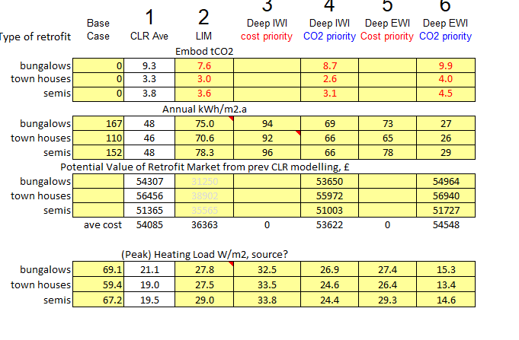
 |  | Projects that include a new extension as well as retrofit of main house should aim to achieve similar overall reduction in space heat demand cf original house
 |  | For full modelling details including U values used for walls, floors, roofs, windows and doors see reports on moodle.

 |  | 1Uses the SAP 2016 3yr projection for gas, 0.208kg CO2/kWh, divide by 1000 to convert to tonnes CO2 becomes: |  |  |  |  |  |  |  |  |  | 0.000208

 |  | 2 Latest Updates
 |  | Those in red are adjustments to the original, the rest are spreadsheet adjustments to make consistant with original
 |  | U-values Rse changed for susp floor to ventilated, 0.17
 |  | U-values Rse changed for loft to ventilated, 0.10
 |  | TFA drawn out and measured, slight update (not yet checked for bungalow and town house)
 |  | Front door subtracted from wall area
 |  | U-values M81 changed to 0.45, floor always has air void, as in original
 |  | U-values M21 changed to 0.032 in variants for bungalow, whole row of CWI checked
 |  | Verification temperature changed back to reference variants sheet for semi
 |  | U-values E82 variant added e-Suspended Floor Ins
 |  | U-values E61 variant added d-Loft Ins over joists

 |  |  | temporary text still in use:
 |  |  | U-values M21 changed to 0.032 |  | U-values | M21 | 0.032
 |  | AS added columns, and added latest SAP figs from Apither. TM to check % reduction formulas and fill cells, to check PHPP forecast method for SHD reductions from use of HPs.

